Queries
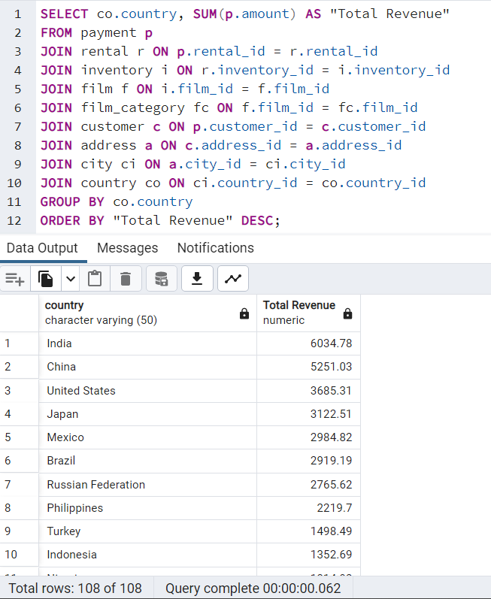
Top 10 Countries by Customer Numbers | Top 10 Cities in the top 10 countries
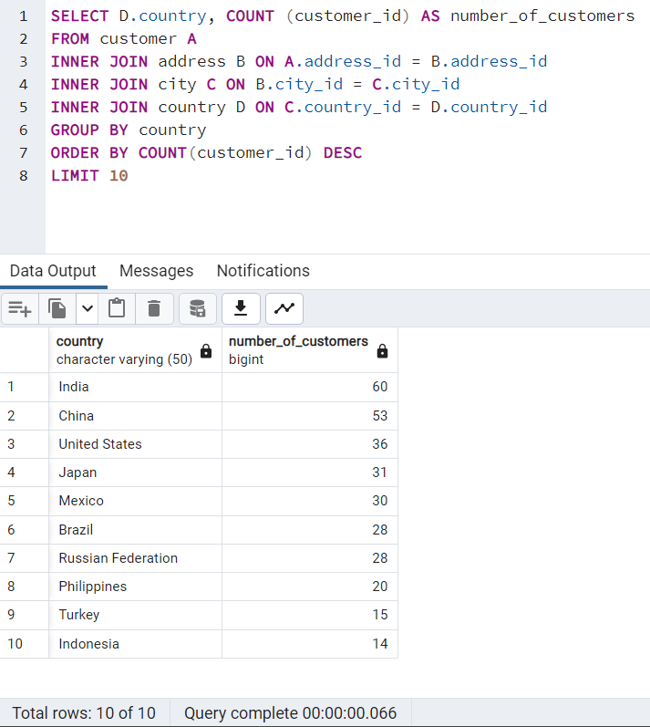
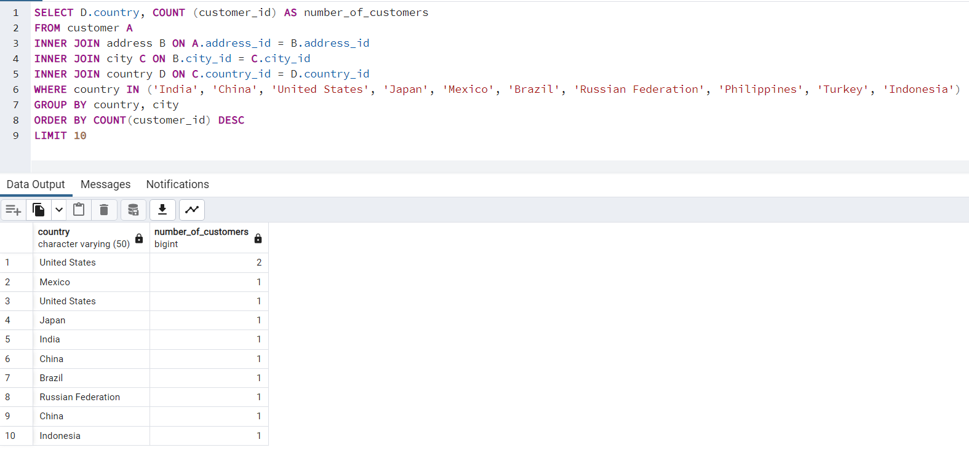

Top 5 customers in top 10 cities |  | Rental Duration (Min, Max, Ave)
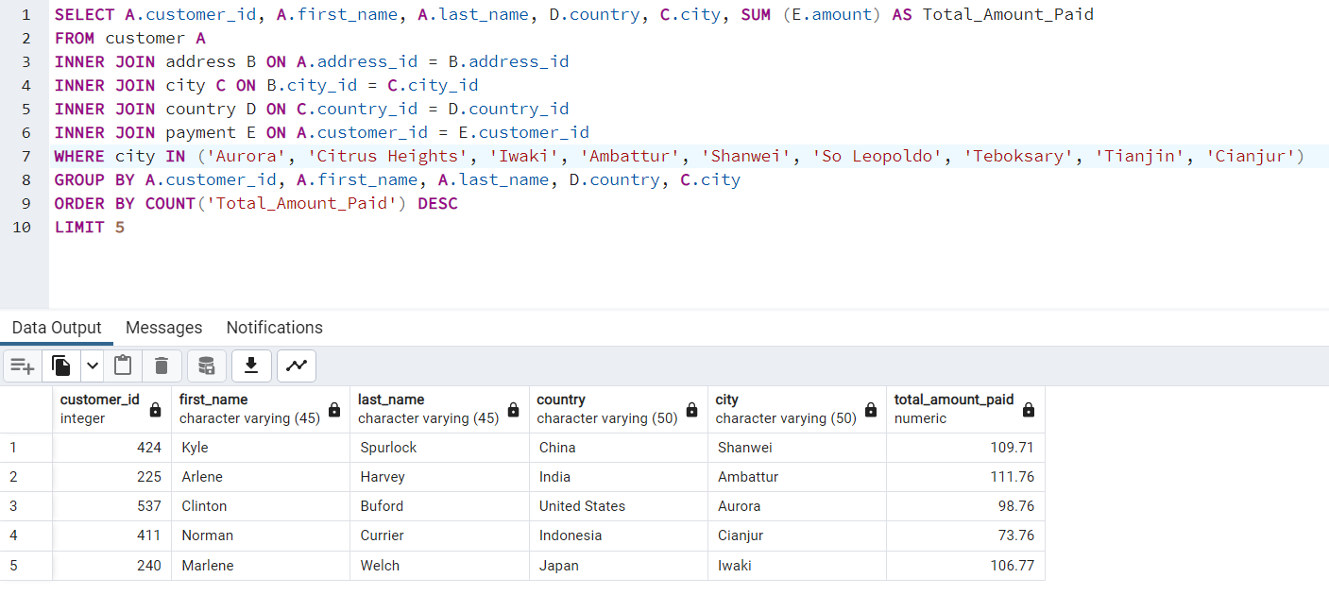
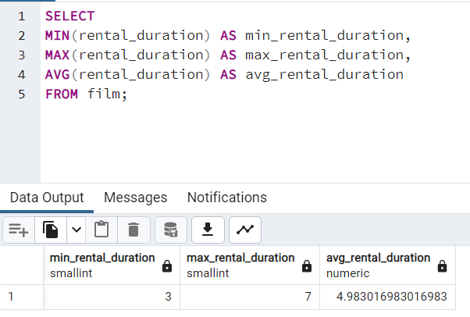

Rental Rate (Min, Max, Ave) |  | Replacement Cost (Min, Max, Ave)
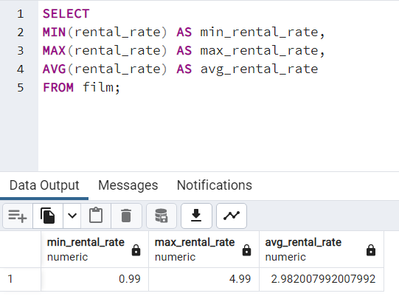
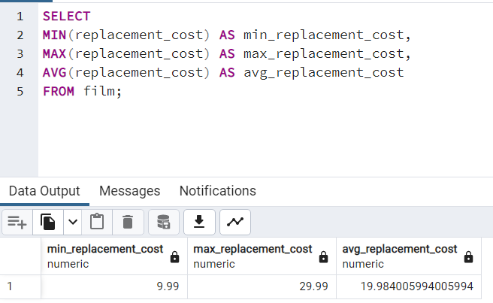

Highest Revenue by Movie |  | Highest Revenue by Rating
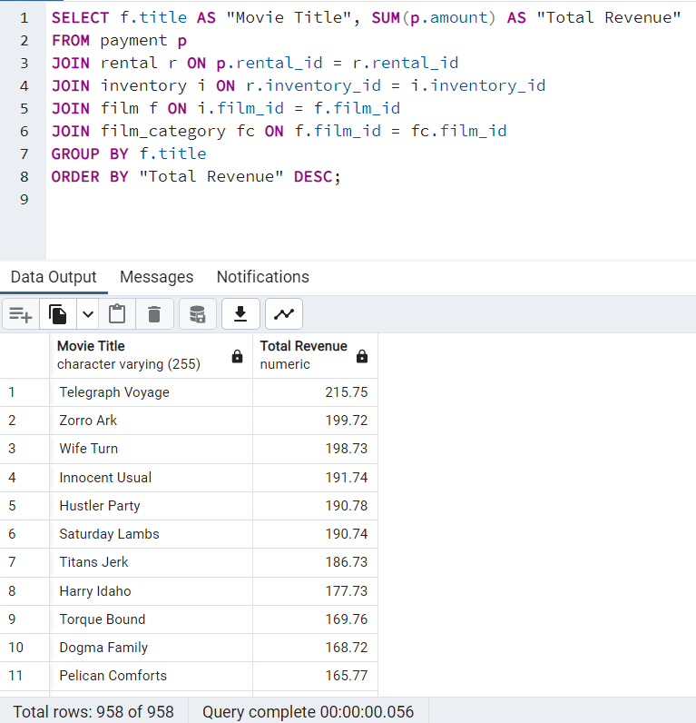
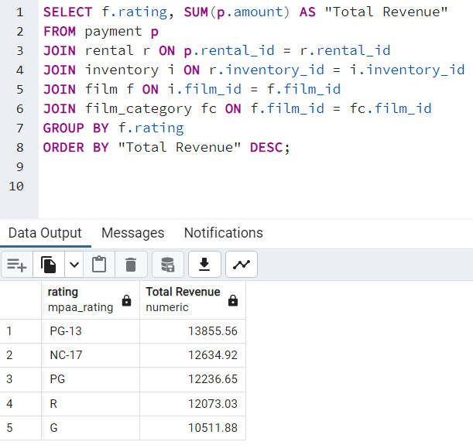

Highest Revenue by Country

